Defect Report - Case Study
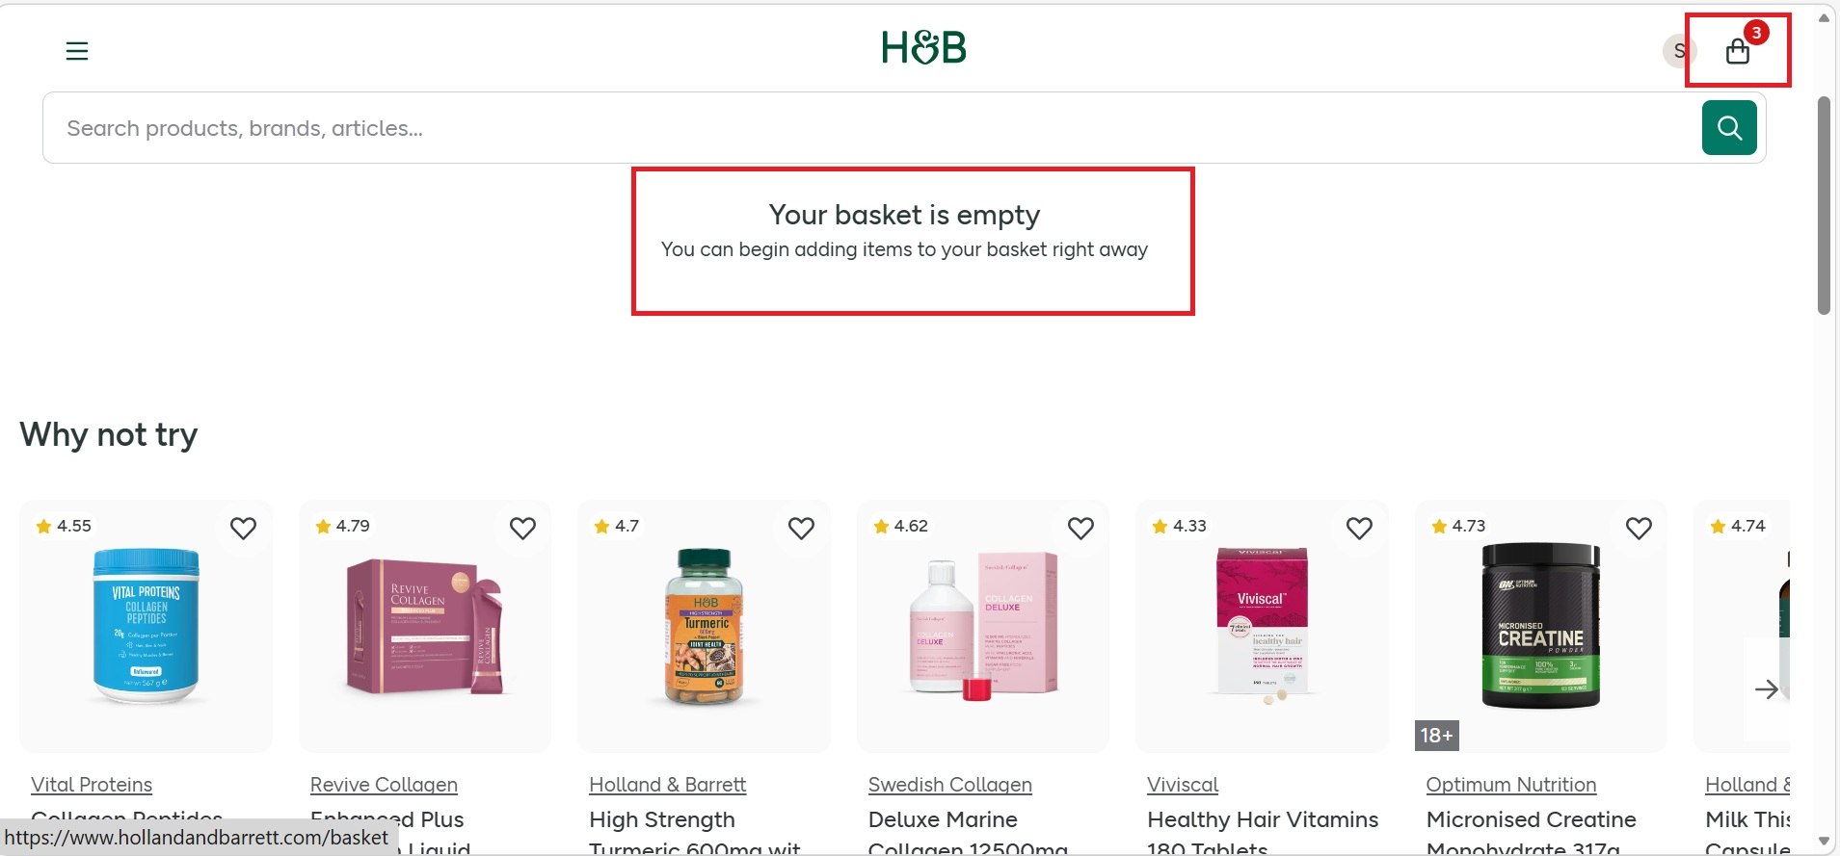
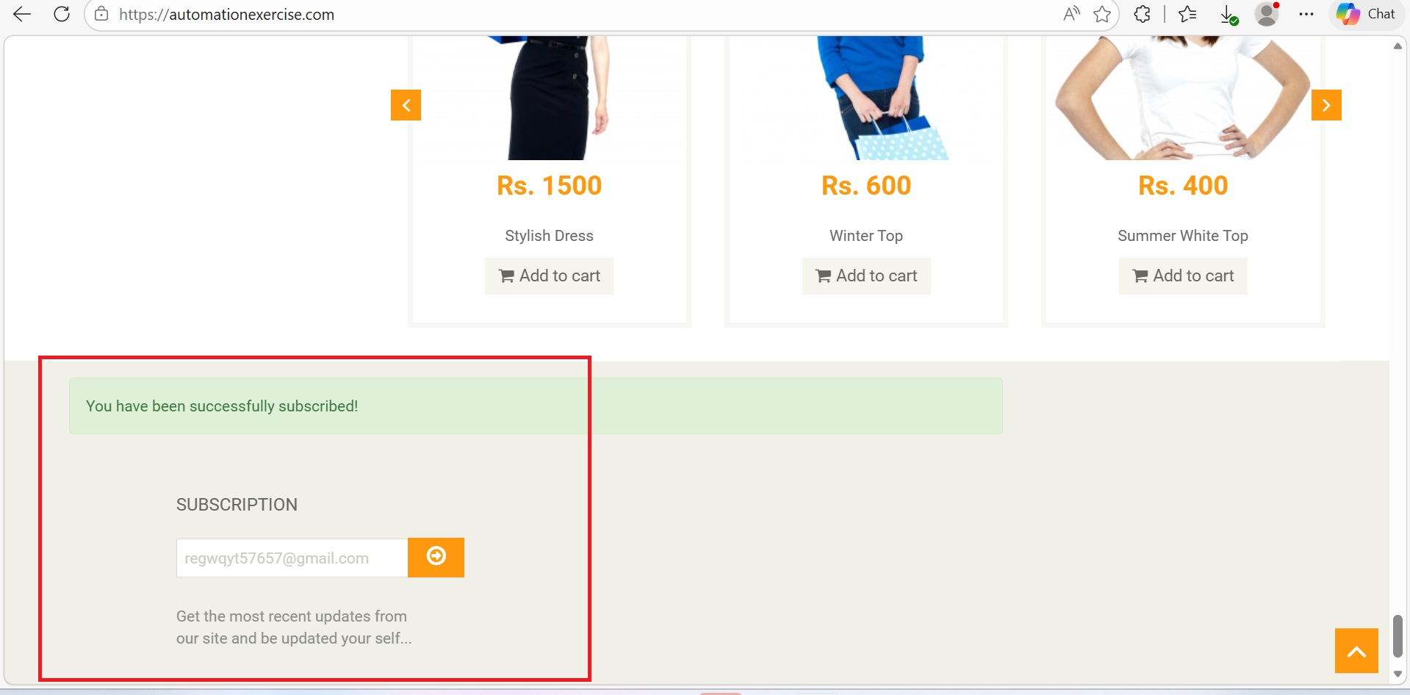
Defect ID | Defect Description | Steps to Reproduce | Priority | Severity | Status | Created By | Assigned To | Screenshot
1 | The cart icon continues to display the previous item count even after all the items have been removed. | 1. Launch www.google.com 2. Search for https://www.hollandandbarrett.com/ 3. Search for any product. 4. Add one or more products to the cart 5. Click on the cart icon and remove all the items from the cart. 6. Observe the cart/item count is still displayed on the header. | High | Major | New | Souvik Layek | Raghavendra BN
2 | The website accepts invalid email address and allows the subscription process to proceed without any validation. | 1. Launch www.google.com 2. Search for https://automationexercise.com/ 3.Scroll down to the Subscription section present at the footer. 4.Enter invalid email address 5.Click on Subscribe button. 6. Observe the system response. | Medium | Major | New | Souvik Layek | Raghavendra BN
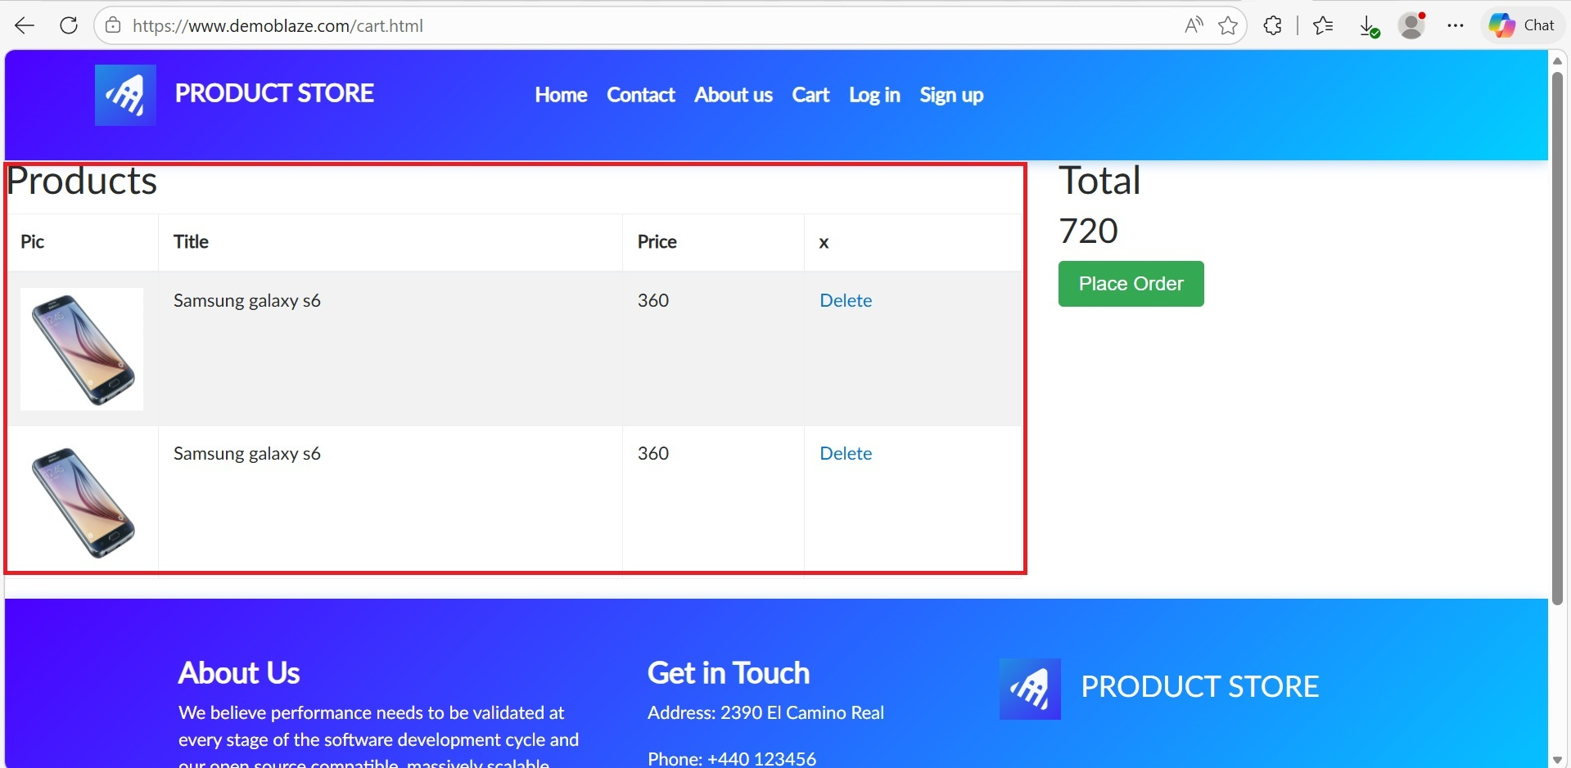
3 | The same product is added multiple times and displayed as seperate entries in the cart. | 1. Launch www.google.com 2. Search for https://www.demoblaze.com/ 3. Select any product from the home page and then click on Add to Cart 4. Navigate back to the home page. 5. Click on the same product again. 6.Click on Add to Cart once more. 7.Navigate to the cart page. 8.Observe the cart contains | High | Major | New | Souvik Layek | Raghavendra BN
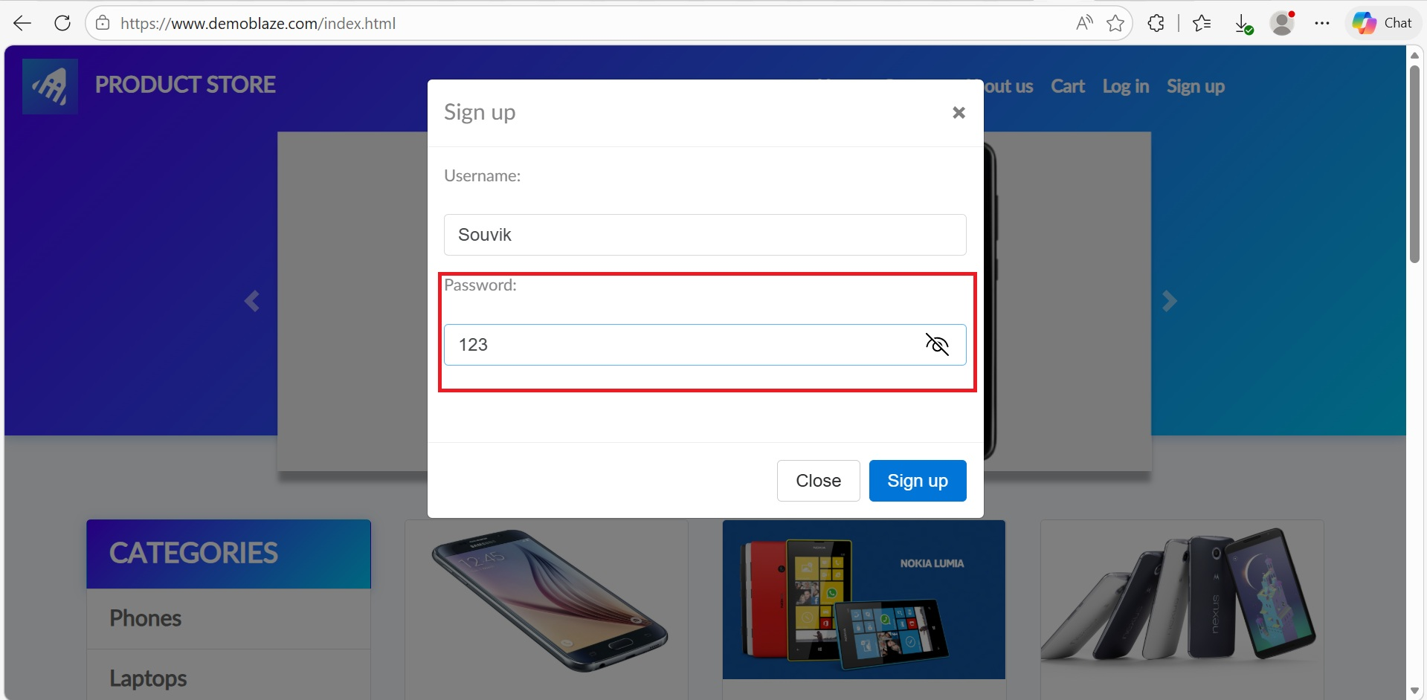
4 | The website accepts the weak password and allows the user to create an account successfully. | 1. Launch www.google.com 2. Search for https://www.demoblaze.com/ 3. Click on Sign up. 4. Enter a valid username 5. Enter a weak password( Eg.123) 6.Click on Sign up 7.Observe the system response. | High | Major | New | Souvik Layek | Raghavendra BN
5 | The website accepts alphabetic characters in the Phone Number field and allows the registration process to complete. | 1. Launch www.google.com 2. Search for https://parabank.parasoft.com/parabank/register.htm 3. Click on Register 4.Fill the fields with valid data. 5.In the phone number field enter alphabetic characters( Eg.abcd) 6.Complete the remaining fields. 7. Observe the system response. | High | Major | New | Souvik Layek | Raghavendra BN | 